Sheet1
Name | Website | Pricing | Revenue-Profitability
PatternedAI | https://www.patterned.ai/ | 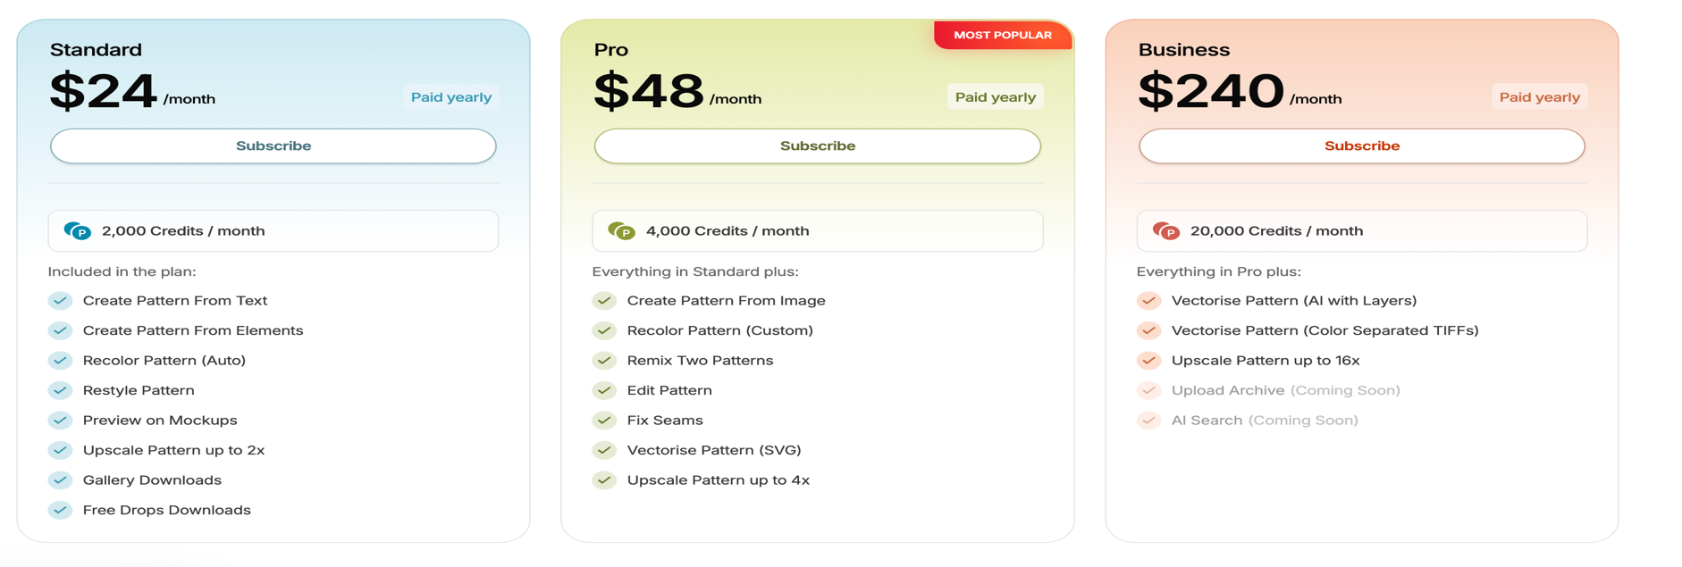 | not available
lookfashion | https://lookfashion.ai/ |  | In 2025, LOOK AI's revenue reached $330K.Its most recently disclosed valuation was estimated at approximately $990K LOOK AI Revenue & Valuation
newarc | https://www.newarc.ai/ | 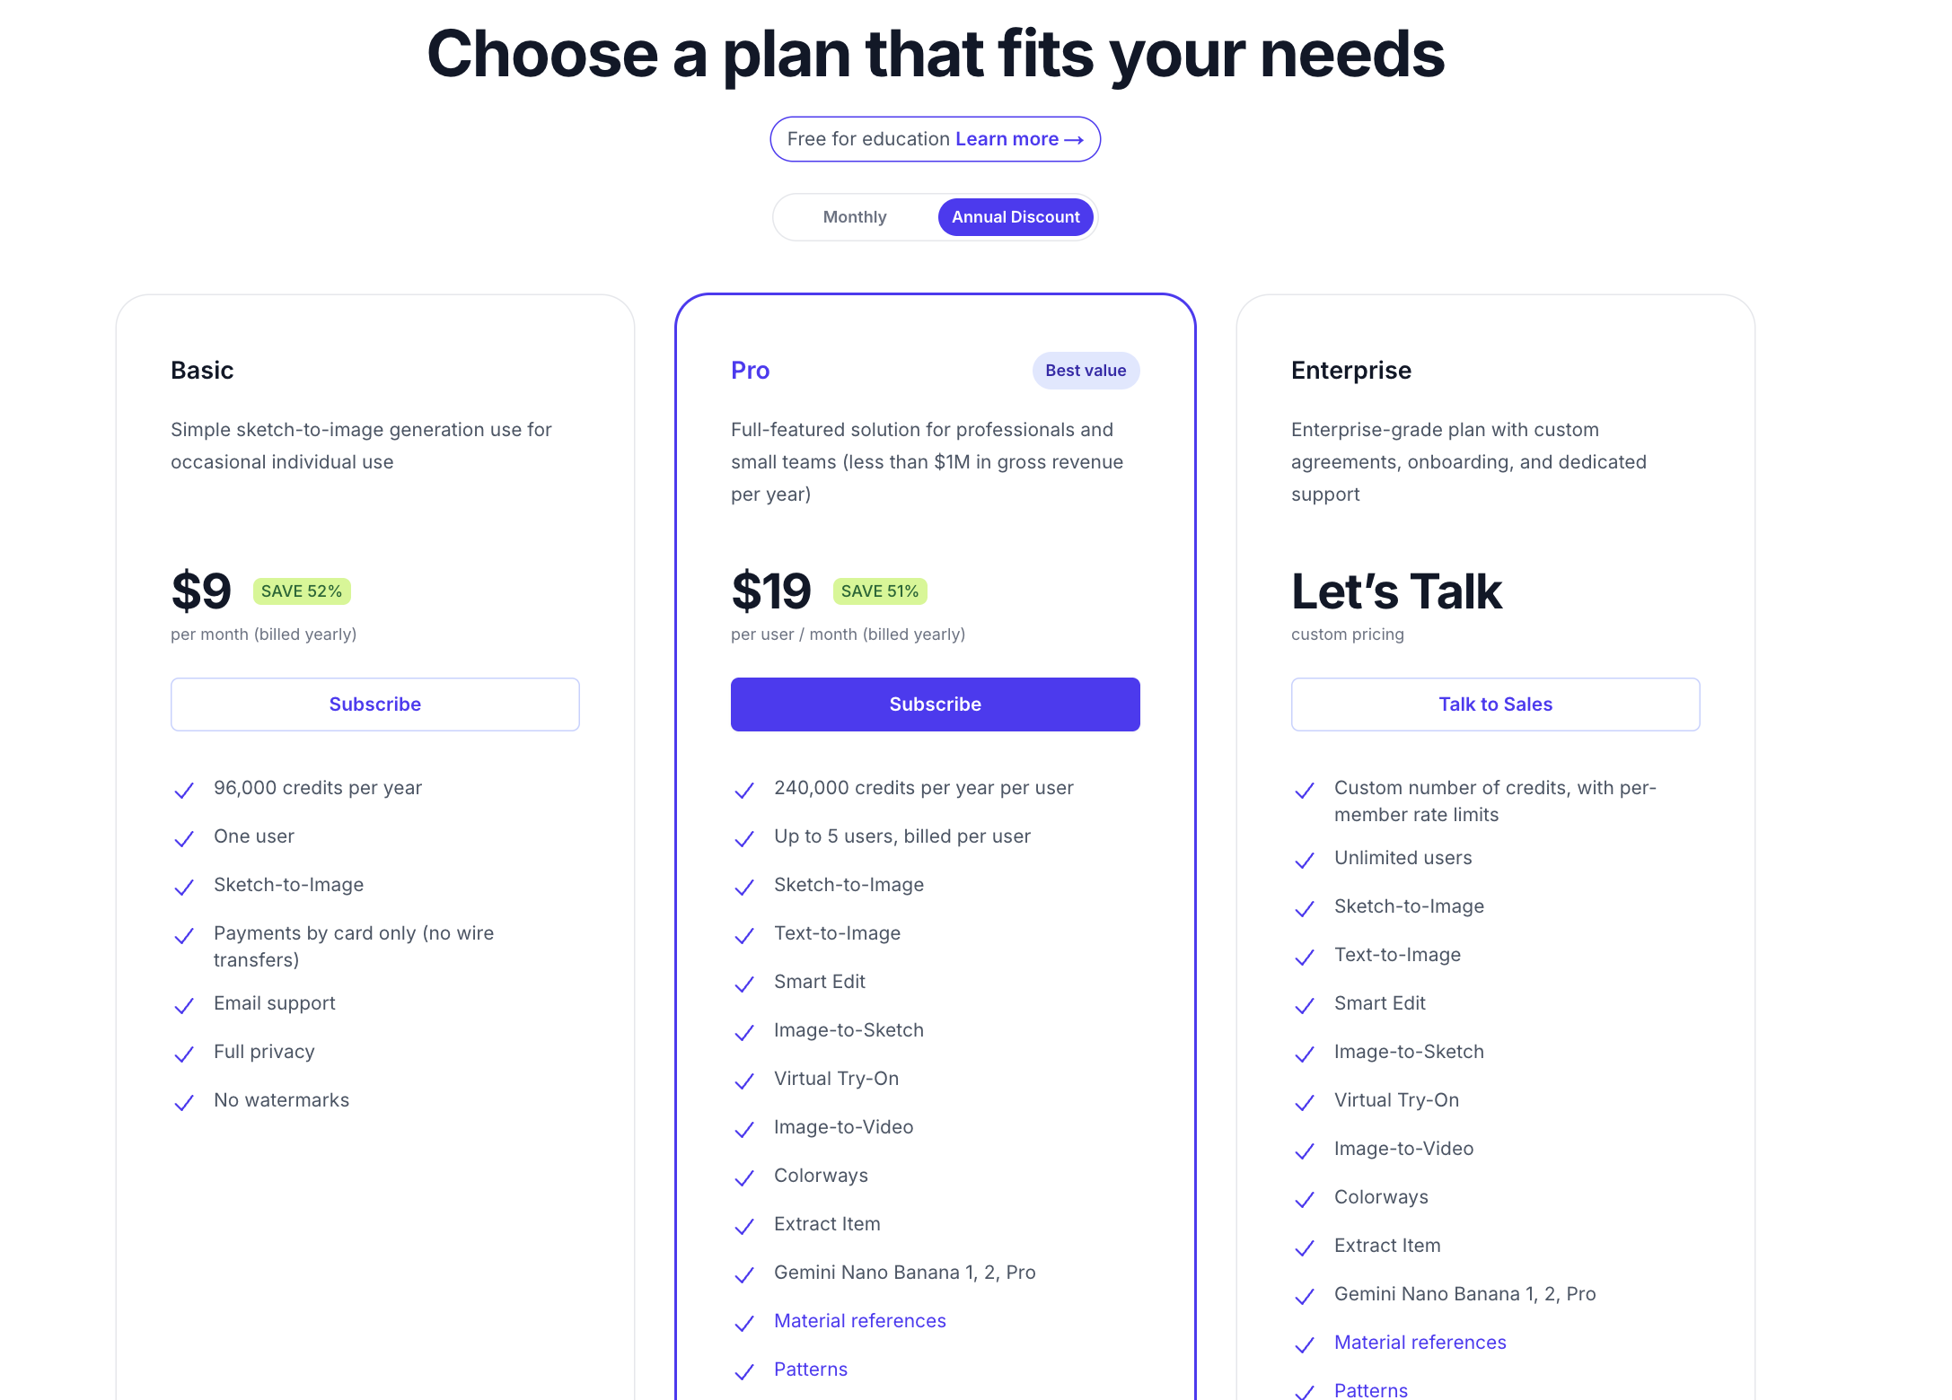 | not available
Acloset | https://www.acloset.app/uk/ | 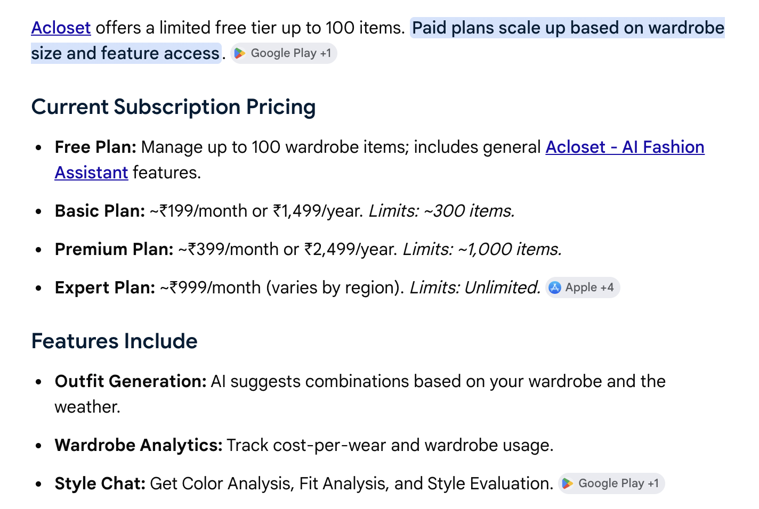 | Total Funding: Raised $2.57M to date, backed by investors including Google Accelerator.Acloset's annual revenue at roughly $52.9 million and value the AI fashion tech company at over $1.1 billion
YesPlz | https://yesplz.ai/ | 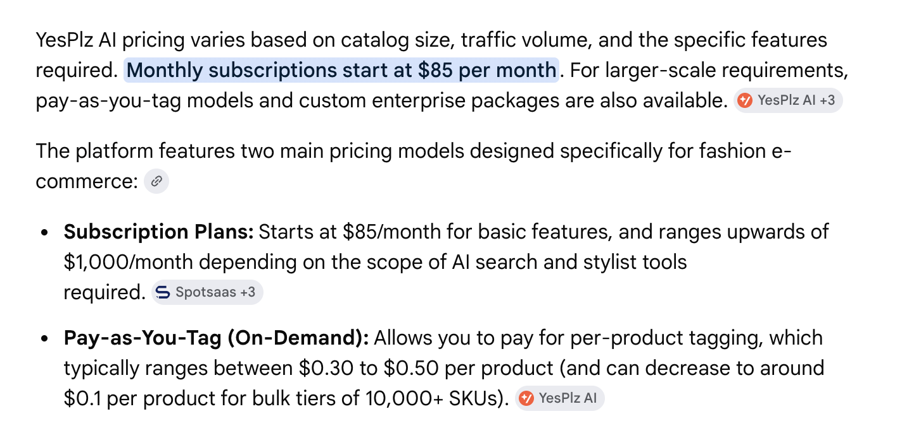 | Showed consistent growth from $540K in 2020 to $936K in 2023 and $1.2M in 2024. Alternative estimates project anywhere from $652K to $10M depending on the database used.Funding: $1.51M in cumulative funding across 2 rounds.
Glance | https://glance.com/ | Yes, Glance AI is currently free to use! In the future, premium Glance AI features may be added, but the core Glance AI styling tools will stay accessible. | As a rapidly growing, privately-held AI lock screen platform, Glance does not publicly report consistent or positive EBITDA as it prioritizes user acquisition. In FY25, the company logged an annual revenue of US$97.6 million with a pre-tax loss of US$105.9 million.
 | https://www.fits-app.com/
Shopify | https://apps.shopify.com/fits

